Sheet1
Aircraft
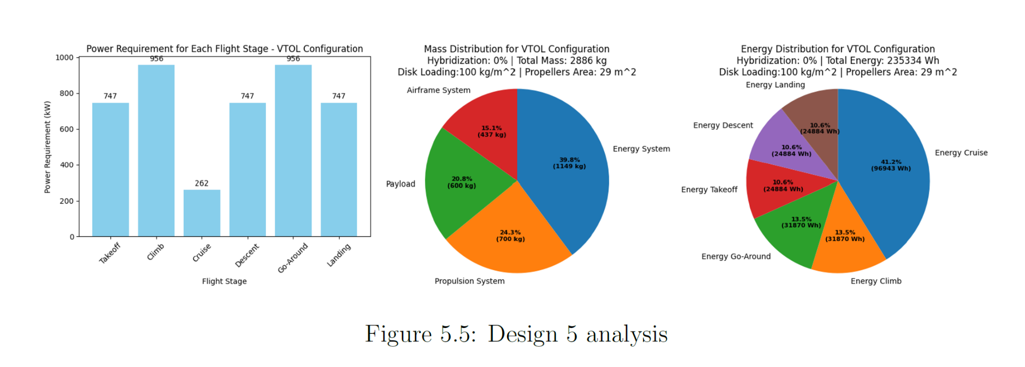
Number of engines |  | Weight airframe (Kg)

D5 | 8 | D5 | 473
Alternative pusher design | 9 | Alternative pusher design | 593

Maximun Take Off Weight |  | Weight Propulsion system (Kg)

D5 | 2886 | D5 | 700
Alternative pusher design | 2881 | Alternative pusher design | 620

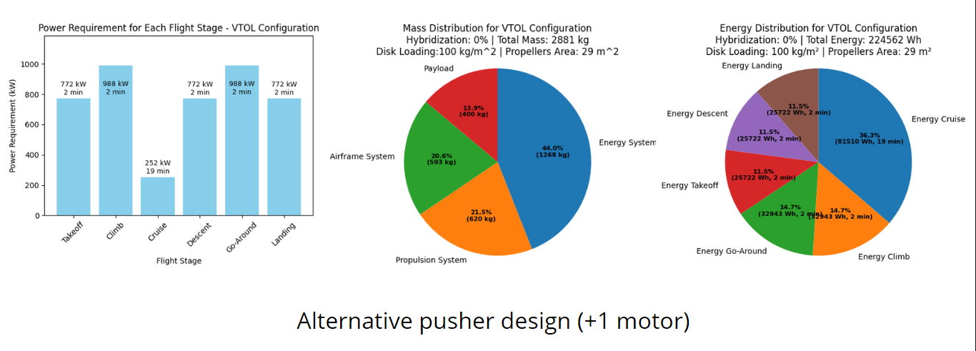
Weight energy system (Kg) |  | Range (Km)

D5 | 1149 | D5 | 100
Alternative pusher design | 1268 | Alternative pusher design | 74

Weight Payload (Kg) |  | Power required for cruise (Kw)

D5 | 600 | D5 | 262
Alternative pusher design | 400 | Alternative pusher design | 252

Passengers capacity (each)

D5 | 6
Alternative pusher design | 4

